Script
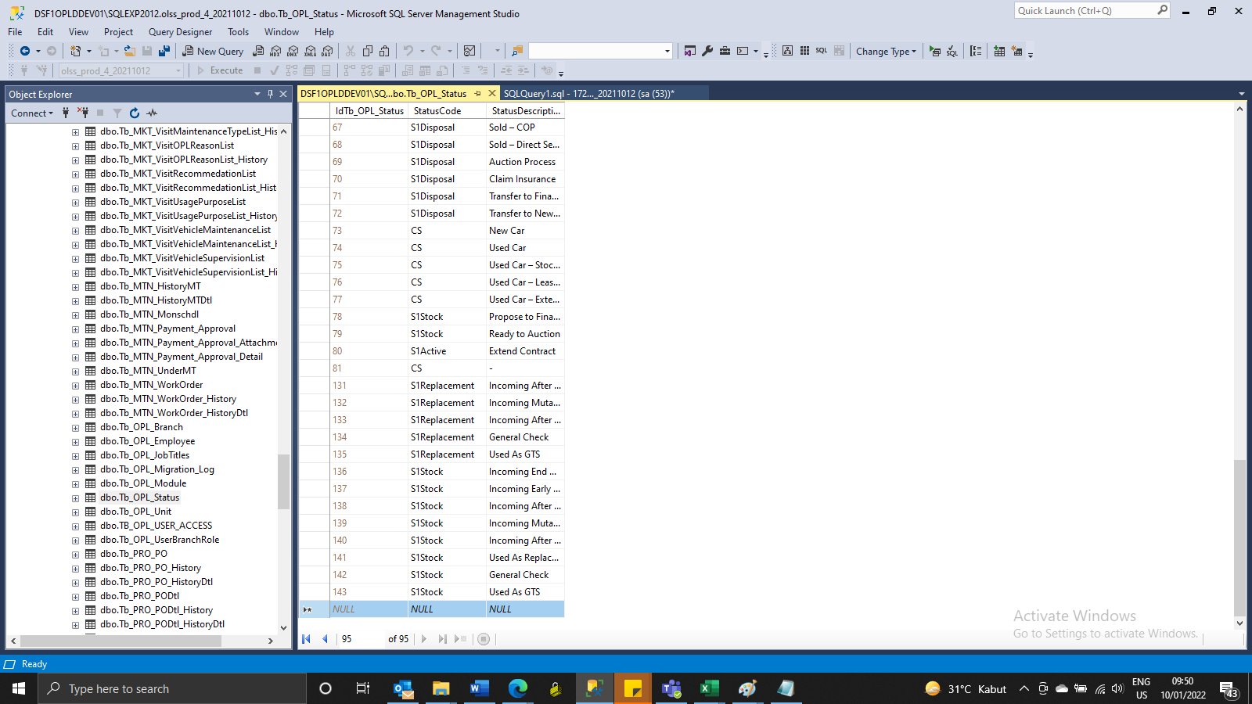
INSERT Tb_OPL_Status
IdTb_OPL_Status | StatusCode | StatusDescription
 | S1Replacement | Incoming After Service/Claim
 | S1Replacement | Incoming Mutasi Unit
 | S1Replacement | Incoming After Used as RC or GTS
 | S1Replacement | General Check
 | S1Replacement | Used As GTS
 | S1Stock | Incoming End Contract
 | S1Stock | Incoming Early Terminated
 | S1Stock | Incoming After Service/Claim
 | S1Stock | Incoming Mutasi Unit
 | S1Stock | Incoming After Used as RC or GTS
 | S1Stock | Used As Replacement Car
 | S1Stock | General Check
 | S1Stock | Used As GTS

SS
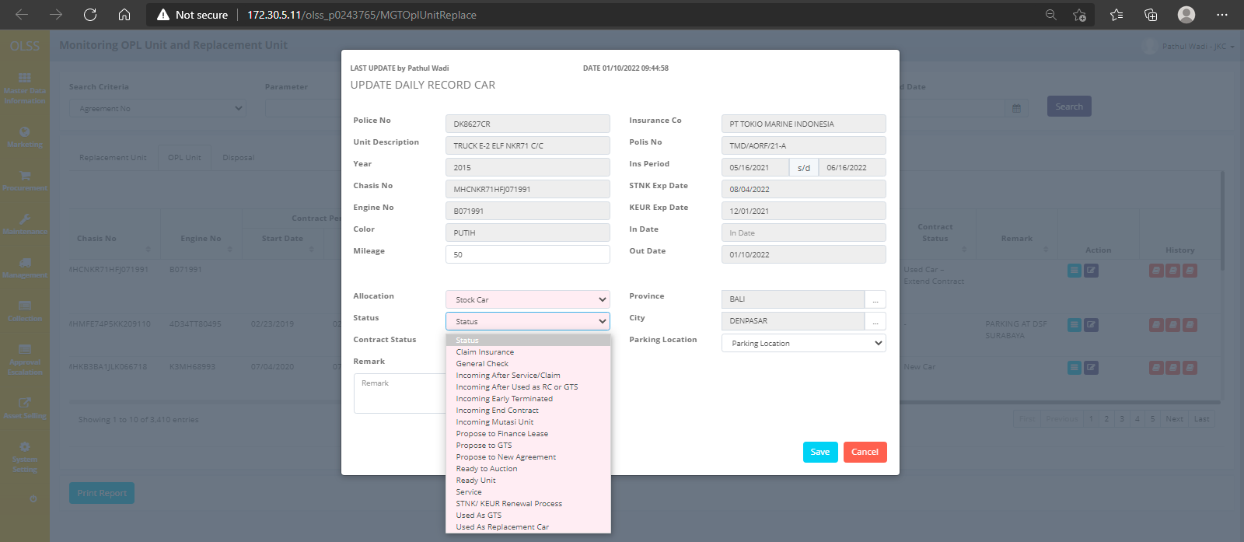
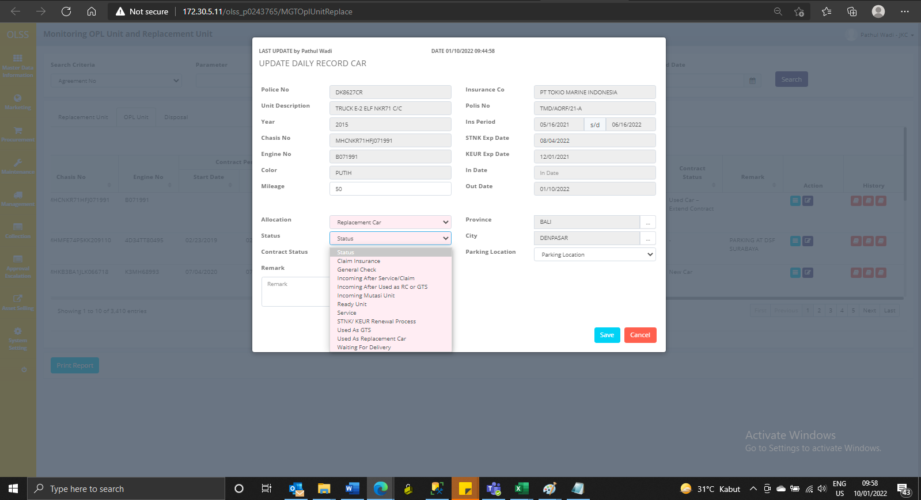
BEFORE INSERT

Stock Car
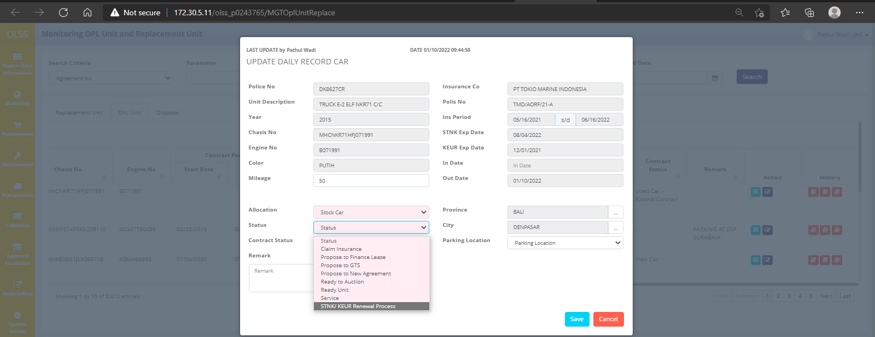

AFTER

TEST in QA
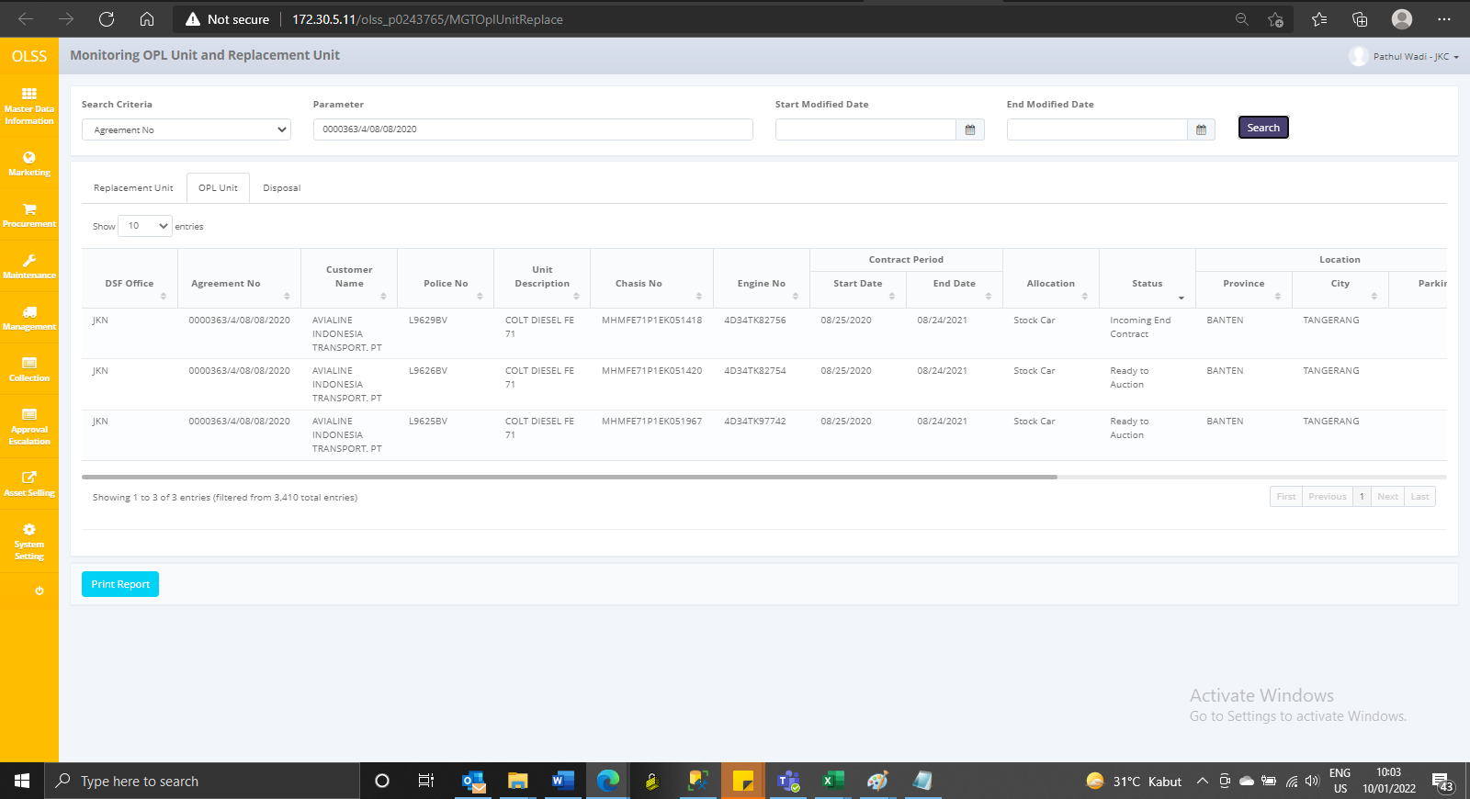
BEFORE

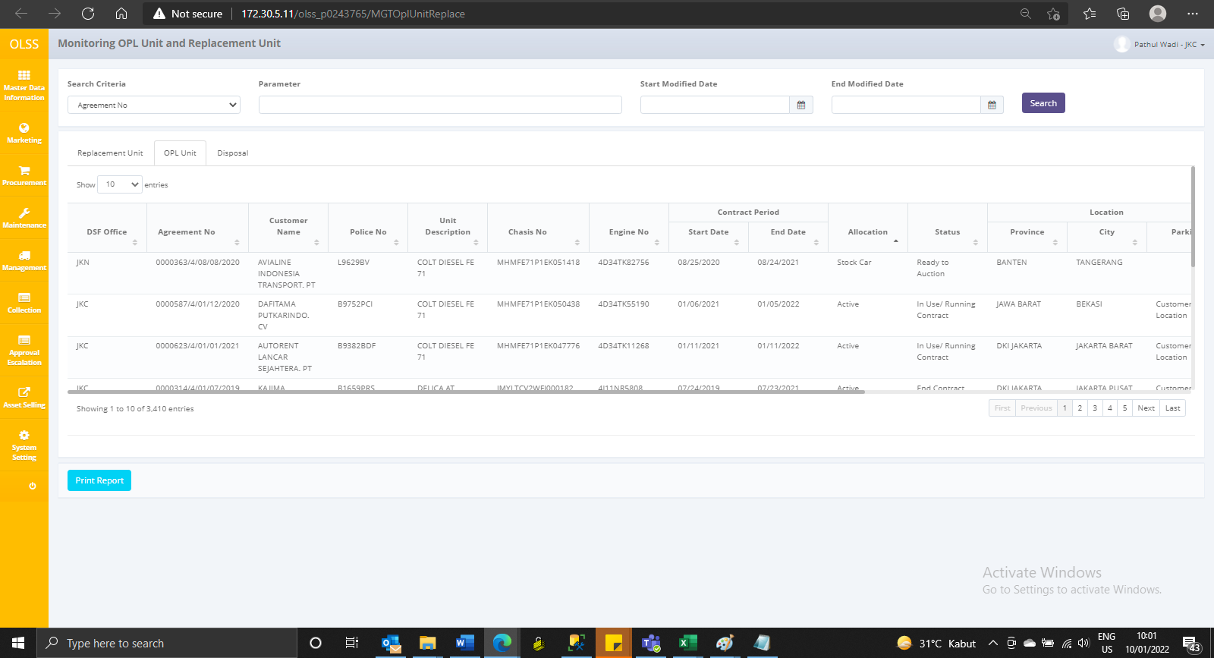

AFTER

